Product Page
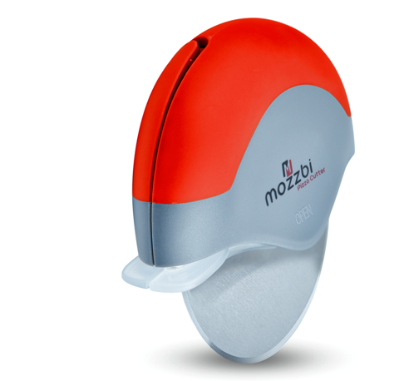
Brand orSeller
Mozzbi
Code Claimed!
[100/150]
Ramaining!
[10 Days]

 |  |  |  |  | Mozzbi Recover Strap with D-Shackle, Polyester 4″ Wide, 6M Long with D ring Shackles 6M Long with D ring Shackles

Amazon Fulfilment

$24.99 $18.90

You Save 38%

Coupon Code
Show Code
Copy Code

GO TO ORDER PAGE

Description |  | Seller Information |  | Shipping Information

Unit/ variation |  | Brand |  | FBA Link
Warrenty/Instruction |  | Contact/Email |  | FBM [$6.95]
Full Description |  | Other Information |  | 7-14 days

Description Tab

 |  | Unit/Variation | Box of 6 in Blue

 | Warrenty/Instruction |  | Additional 12 months warrenty

 |  | Full Descriotion | We've all seen those claims from other Amazon sellers... We can claim that our product is: • # 1 Pizza cutter • Cuts anything soft which fits under the balde • Grade 430 Stainless Steel Blade • TPE and ABS material handle • FDA Approval and BPA Free • Palm-held design comfortable to hold and control • Dishwasher safe • 12 Month Warranty [Condition Applies] • ...and so on Like myself, most buyers don't understand the technical jargon. All you want is a Pizza cutter that CUTS Pizza, offers Value for money and lasts a long time. Mozzbi Pizza cutter does exactly that and this is the ONLY CLAIM WE STAND BY. We totally understand, that it can be a risky venture to buy an online product without seeing or touching it. That's why we go that extra mile for our customers and offer a 30 day 100% Satisfaction or Money Back Guarantee. Mozzbi is confident - Let the Pizza cutter do all the talking! 'SEEING IS BELIEVING' Our customers are intelligent and know a good product when they see one. We want our customers to make the statement whether it's #1 product or #1000 product! Give this product the headline it deserves!

Seller Information

 |  | Brand | Mozzbi
 |  | Contact/Email | info@mozzbi.com
 |  | Other Info | e.g. Website, Return Address, Customer Service etc

Shipping Information

 |  | For Amazon Prime Account Holder | Click Here - For Shipping Charge, Shipping time etc
 |  | Shipping Charge | $6.95
 |  | Shipping Time | 7-14 Days
 |  | Return and Refunds | e.g. [ Provide return address or your contact]

SLIDER

Draft
`

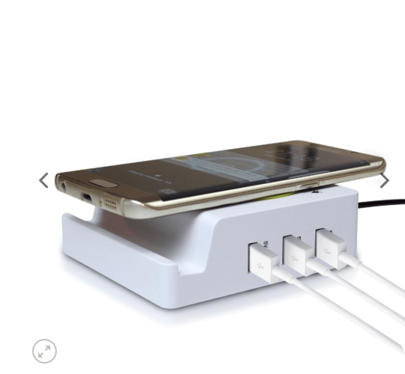
 |  |  |  | Mozzbi Recover Strap with D-Shackle, Polyester 4″ Wide, 6M Long with D ring Shackles |  |  |  |  |  | Mozzbi Recover Strap with D-Shackle, Polyester 4″ Wide, 6M Long with D ring Shackles |  |  | Mozzbi Recover Strap with D-Shackle, Polyester 4″ Wide, 6M Long with D ring Shackles

 |  |  |  | Selling Platform | Coupon Left | Offer Expires |  |  |  | Selling Platform | Coupon Left | Offer Expires
 |  |  |  | Amazon Fulfilment | 43 | 10 Days 6 Hours 10 Sec |  |  |  | Amazon Fulfilment | 43 | 10 Days 6 Hours 10 Sec

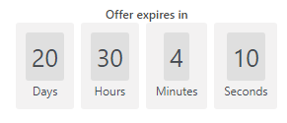
Show Coupon Code
YES! I WANT THE DEAL
Show Coupon Code
YES! I WANT THE DEAL
Click to buy it from Amazon/Sellers Platform
Click to buy it from Amazon/Sellers Platform
Share
Selling Platform
Offer Expiry
Coupon Left

Slider
Slider

Slider

YES! I WANT THE DEAL
Description | Unit of Measure | Shipping Charges | Shipping Time | Seller Contact |  | Brand Other Info | Unit of Measure | Shipping Charges | Shipping Time | Seller Contact |  | Brand Other Info

Terms and Conditions | Private Pocilies | Cookies
© 2018 Couponndiscount | All rights reserved

Dashboard
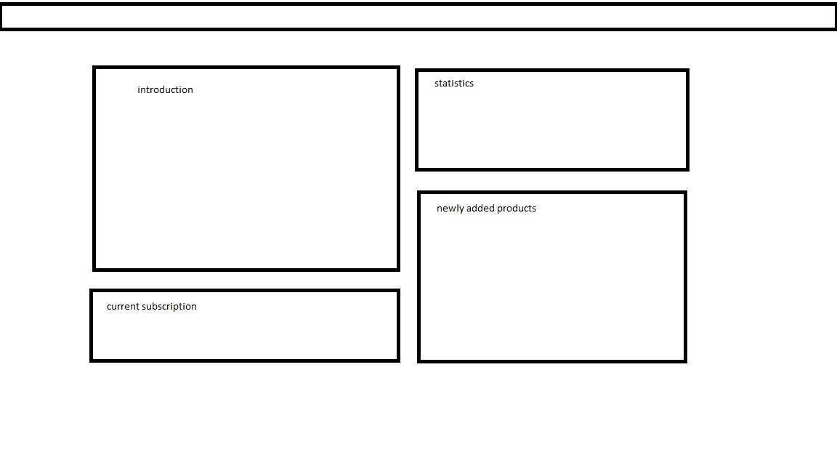
dashboard

